Overview
1. Overview
In List Edit screen. all meta type columns are displayed and allow user to select some columns display in review screen

2.Code walkthrough
Get ColumnCustomized list
through ColumnCustomizeHandler

ColumnCustomizeService
Call function
GetDisplayMasterItemsList
ColumnCustomizeHandler

Return ColumnCustomized list
Return ColumnCustomized list
Call Service
Return ColumnCustomized list

Application

2.1 ColumnCustomizeService
-Service class provides function related to List Edit

2.2 GetDisplayMasterItemsList
-Function to get Column Customize to be used when displaying the screen
-Input parameter
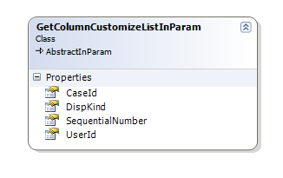

CaseId // case Id
UserId // user Id
DispKind // DispKind is a function type and in this case it value is "ReviewList"
SequentialNumber

-Create ColumnCustomizeHandler handler to generate output
ColumnCustomizeHandler logic = new ColumnCustomizeHandler();
outParam = logic.CreateColumnCustomaizeMasterData(inParam);

2.3 ColumnCustomizeHandler
-Using DispKind value to generate ColumnCustomized list and return it

3.Guide to add new Meta Type Column to List Edit

